SuperAc Search MEL TVT
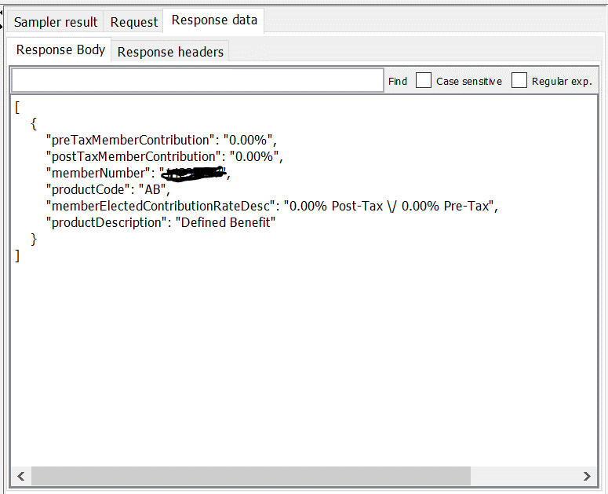
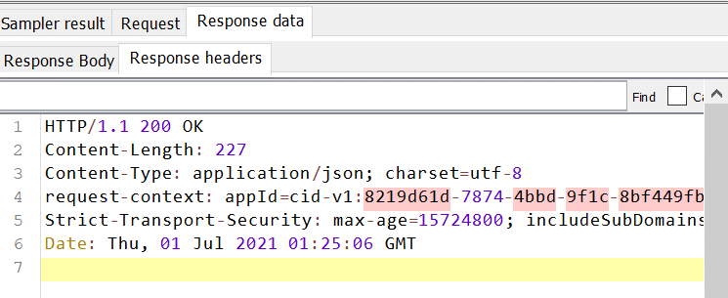
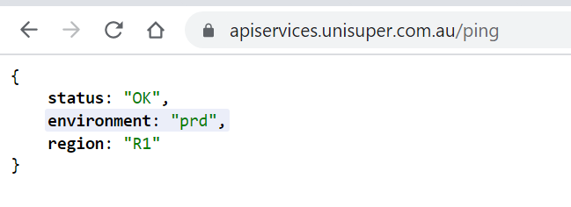
Super Account Search - PASSED

POST https://apiservices.unisuper.com.au/v1/accounts/super/search

POST data:
POST data:
{
"givenName": "Krishna",
"surname": "Desaraju",
"dateOfBirth": "1974-03-11",
"email": "krishna.desaraju@gmail.com"
}

RESPONSE - SUCCESS

AppInsights (Melbourne)
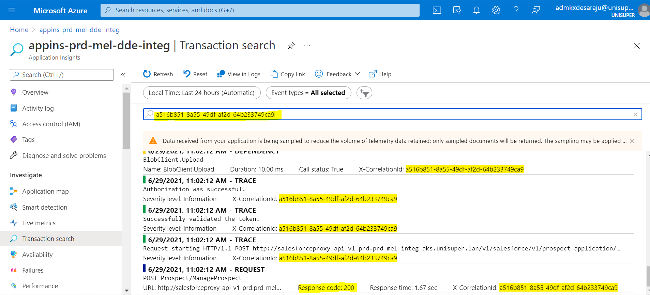
Super Account Search - X-CorrelationId: 99f0d4bd-fb12-4310-b978-d6a7f5dd9998

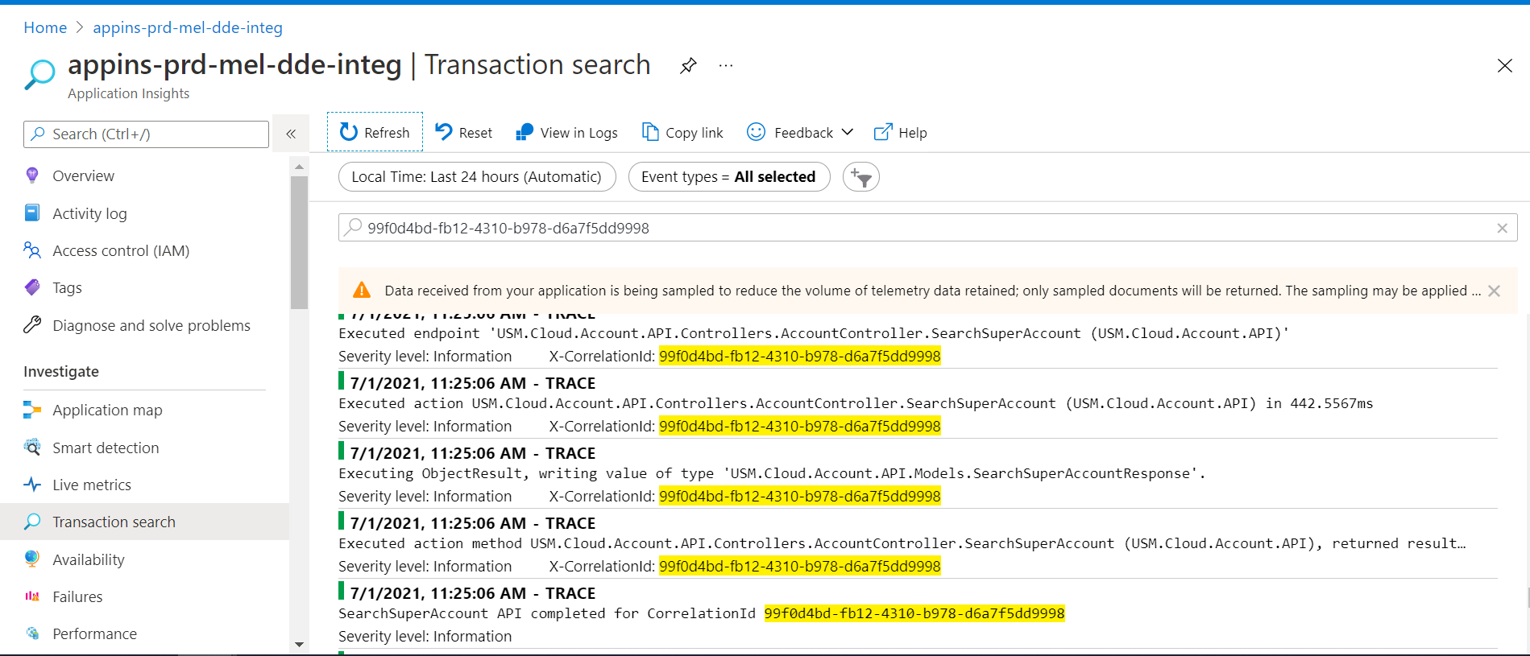

Update PROSPECT X-CorrelationId: a516b851-8a55-49df-af2d-64b233749ca9

Payload Tracking (Melbourne)
